Tempest Characteristic
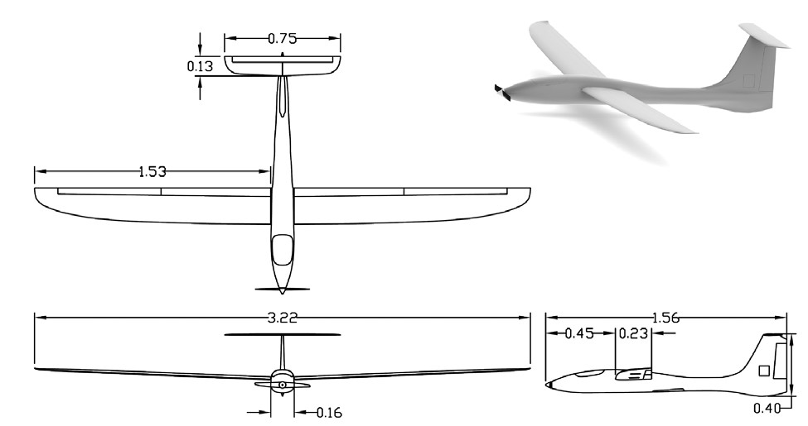
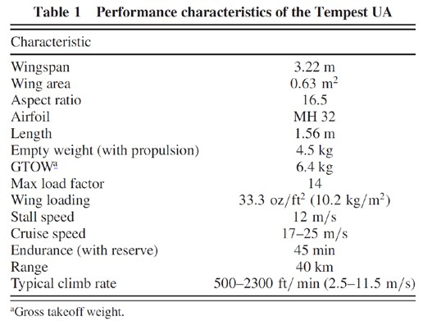

SOURCE: | Roadman, J., Elston, J., Argrow, B., and Frew, E., “Mission Performance of the Tempest Unmanned Aircraft System in Supercell Storms,” Journal of Aircraft, Vol. 49, No. 6, pp. 18211830 (2012).

Tempest MH32 2D Airfoil Data
Alpha | Cl | Cd | Re
-5 | -0.4166 | 0.04049 | 200000
-4 | -0.2734 | 0.02
-3 | -0.125 | 0.01439
-2 | 0.0032 | 0.01054
-1 | 0.2136 | 0.00976
0 | 0.3312 | 0.00933
1 | 0.4263 | 0.00906
2 | 0.5241 | 0.00898
3 | 0.6236 | 0.00928
4 | 0.7217 | 0.0101
5 | 0.8165 | 0.01133
6 | 0.9059 | 0.01314
7 | 0.9889 | 0.01573
8 | 1.0582 | 0.02012
9 | 1.1042 | 0.02723
10 | 1.1555 | 0.03641
11.25 | 1.1303 | 0.05193
12 | 1.097 | 0.06243

SOURCE: | http://airfoiltools.com/index

Boeing 747-200 Characteristics
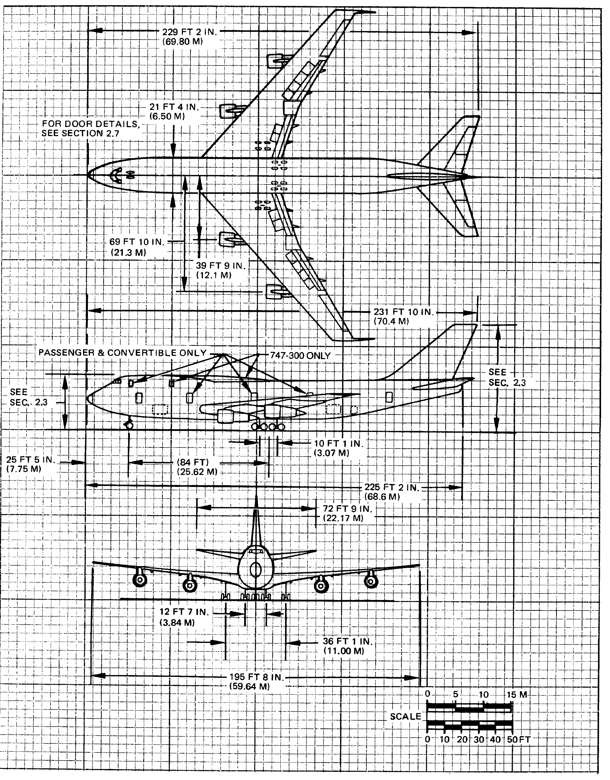
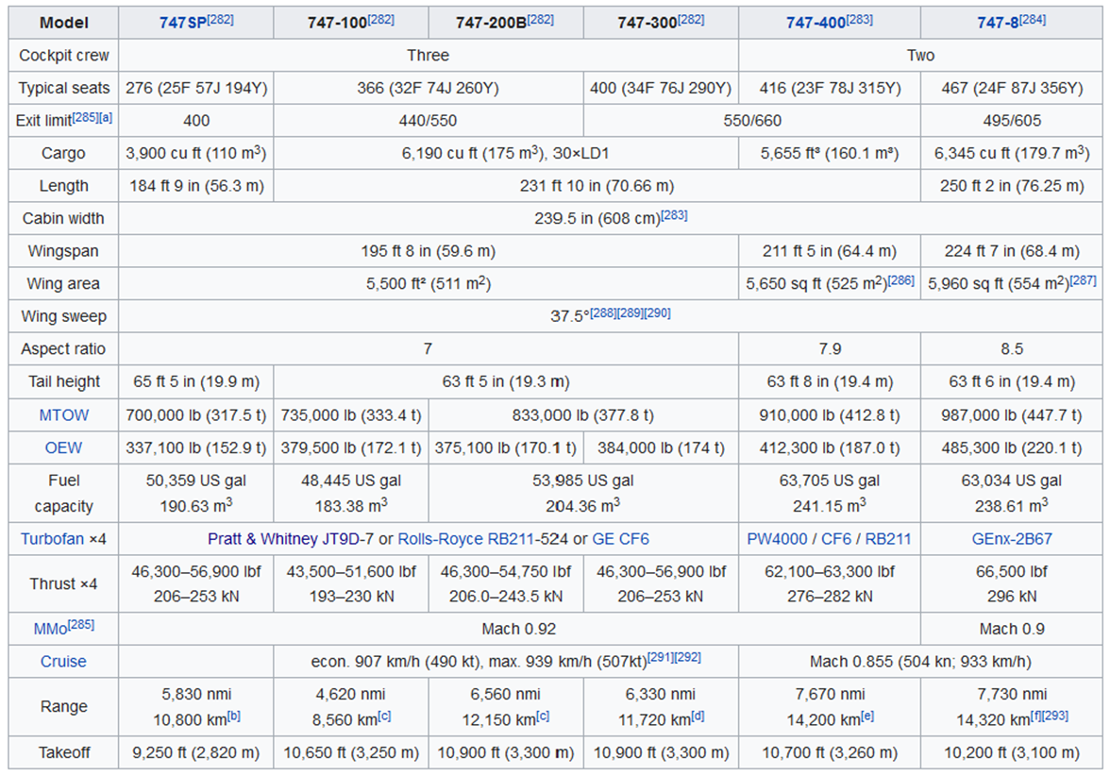

 |  | SOURCE: | https://en.wikipedia.org/wiki/Boeing_747#Specifications

SOURCE: | Boeing 747 Airplane Characteristics: Airport Planning, Boeing Commercial Airplane Company, May 1984
 | Full PDF file of this drawing can be found in your CANVAS lab materials module. You can use Adobe Acrobat to do
 | scaled measurements of this drawing where specific dimensions you may need are not shown.

 |  |  | Saarlas, M., Aircraft Performance, John Wiley & Sons, Inc., 2007

BOEING BACJ 2-D Airfoil Data
Alpha | Cl | Cd | Re
-5 | -0.3505 | 0.00953 | 1000000
-4 | -0.2514 | 0.00852
-3 | -0.1493 | 0.00741
-2 | -0.0318 | 0.00584
-1 | 0.0912 | 0.0055
0 | 0.2133 | 0.00509
1 | 0.3048 | 0.00506
2 | 0.318 | 0.00743
3 | 0.3925 | 0.00948
4 | 0.4889 | 0.01033
5 | 0.5855 | 0.01132
6 | 0.6808 | 0.01256
7 | 0.7744 | 0.01441
8 | 0.8721 | 0.01634
9 | 0.9729 | 0.02052
10 | 1.061 | 0.02498
11 | 1.1263 | 0.03112
12 | 0.9165 | 0.07156
13 | 0.7781 | 0.14138

SOURCE: | http://airfoiltools.com/index

Boeing 747 Drag Polar (Truth)
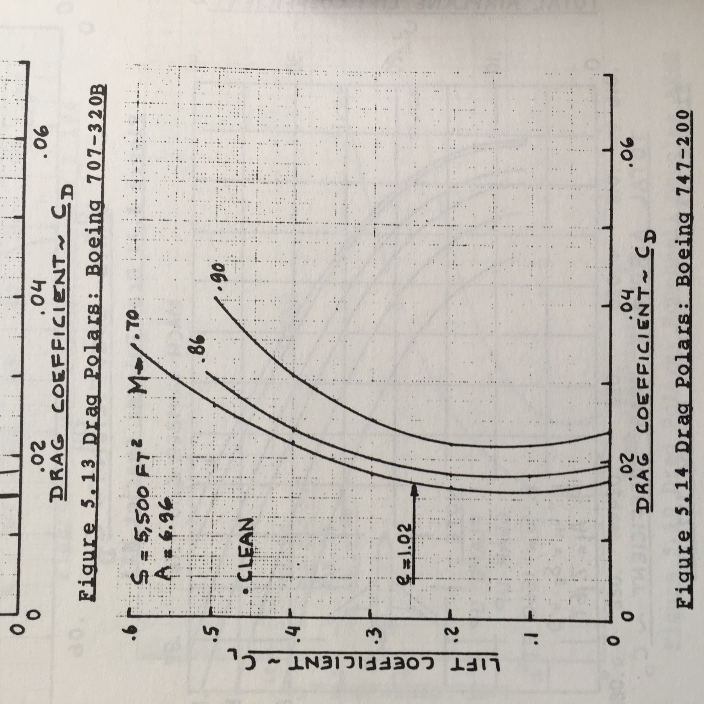
 |  | CL | CD
 |  | 0.5922 | 0.0342
 |  | 0.5683 | 0.0323
 |  | 0.5473 | 0.0306
 |  | 0.5240 | 0.0290
 |  | 0.4962 | 0.0273
 |  | 0.4724 | 0.0259
 |  | 0.4486 | 0.0247
 |  | 0.4219 | 0.0232
 |  | 0.3981 | 0.0224
 |  | 0.3719 | 0.0212
 |  | 0.3486 | 0.0203
 |  | 0.3234 | 0.0194
 |  | 0.3001 | 0.0186
 |  | 0.2735 | 0.0182
 |  | 0.2493 | 0.0174
 |  | 0.2236 | 0.0171
 |  | 0.2009 | 0.0169
 |  | 0.1738 | 0.0165
 |  | 0.1525 | 0.0165
 |  | 0.1255 | 0.0163
 |  | 0.1037 | 0.0165
 |  | 0.0781 | 0.0166
 |  | 0.0550 | 0.0168
 |  | 0.0285 | 0.0173
 |  | 0.0039 | 0.0180

**FOR THE ASEN 2004 AERO LAB, USE THE M = 0.7 CURVE ONLY
SOURCE: | Roskam, J., Airplane Design Part VI: Preliminary Calculation of Aerodynamic, Thrust and Power Characteristics, University of Kansas, 1990.

